1. Title Page
[Project Name]

Project Name: Instacart Analysis
Date: 02.05.2021
Analyst Name: Philipp Götting

Contents:
Population Flow
Consistency checks
Wrangling steps
Column derivations
Visualizations
Recommendations

2. Population Flow
Title page

Population flow
Population flow

Exclusion flag
Condition: max_order <
Obervations to be removed:
Final total count of order_products_all:
Exclusion flag
Condition: max_order <
Obervations to be removed:
Final total count of order_products_all:

Orders_products_combined
Orders_products_combined
Orders_products_merged
Orders_products_merged
Orders_products_all
Orders_products_all

Total:
Total:31.671.517
Total:
Total: 31.671.517
Total:
Total:31.671.517

1.) The grey boxes in the first row of the population flow represent the original data sets as they were when you downloaded them. In the Total fields you need to add the count of the rows when you imported the data set into Jupyter.
2.) The second row of boxes (coloured) represents the data sets after you manipulated them, e.g., removed missing values and duplicates. In the Total fields you need to add the count of the rows after conducting these operations. This offers a visual oveview of how the data flows throughout the data consistency checks.
3.) The third row, where also the arrows are coloured, represents the merges you performed between the datasets. In the Total fields you need to add the count of the rows in the merged datasets, so that you end up with the final dataset (in the red box). Keep in mind the final dataset should be without exclusions (based on the exclusion flag).
1.) The grey boxes in the first row of the population flow represent the original data sets as they were when you downloaded them. In the Total fields you need to add the count of the rows when you imported the data set into Jupyter.
2.) The second row of boxes (coloured) represents the data sets after you manipulated them, e.g., removed missing values and duplicates. In the Total fields you need to add the count of the rows after conducting these operations. This offers a visual oveview of how the data flows throughout the data consistency checks.
3.) The third row, where also the arrows are coloured, represents the merges you performed between the datasets. In the Total fields you need to add the count of the rows in the merged datasets, so that you end up with the final dataset (in the red box). Keep in mind the final dataset should be without exclusions (based on the exclusion flag).

3. Consistency checks
 |  |  |  |  | Title page
Consistency checks
Consistency checks

Dataset | Missing values | Missing values treatment | Duplicates | Outliners
orders | days_since_prior_order 206209 | filled with 0 to then assign then as new customers |  | order_number => 70(mean+3*std.) about 80139
products |  | 16 missing values - overwrite the df | 5 values - we clean with .drop_duplicates() | prices with max of 99.999 - we cleaned two outliners
orders_products_prior |  |  |  | add_to_cart_order <= 40(mean+3*std.) about 91828
customers |  |  |  | income >= 220(mean+3*std) about 878

4. Wrangling steps
 |  |  |  | Title page
Wrangling steps
Wrangling steps

Columns dropped | Columns renamed | Columns' type changed | Comment/Reason
df_ords['eval_set'] |  |  | Doesnt provide information
 |  | df['order_id'].astype(str) | Since it represets a unique number combination and not actual number
 |  | df['user_id'].astype(str) | Since it represets a unique number combination and not actual number
 | order_dow -> orders_day_of_week |  | since the other columns have ful names we change it for overall consistency
df_custs['Surnam','First Name'] |  |  | to protect the identity of our customers (PII)
df['_merged'] |  |  | after connecting dfs we check the column _merged and afterwards droped it

5. Column derivations
 |  |  |  |  | Title page

Column derivations and aggregations
Column derivations and aggregations

In this tab you should add tables below that the frequences of flags/label variables that you produced after deriving them. NB: don't do this for continuous variables, only for flags.
Dataset | New column | Column/s it was derived from | Conditions | Result
df_merge | price_range_loc | prices
 |  |  | df.loc[df['prices'] > 15, 'price_range_loc'] = 'High-range product' | Mid-range product 21200792
 |  |  | df.loc[(df['prices'] <= 15) & (df['prices'] > 5), 'price_range_loc'] = 'Mid-range product' | Low-range product 9818904
 |  |  | df.loc[df['prices'] <= 5, 'price_range_loc'] = 'Low-range product' | High-range product 402037
 |  |  |  | About half the products cost between 5$ and 15$

df_merge | busiest_days | orders_day_of_week
 |  |  | result = [], for value in df ['orders_day_of_week']: | regular day 12521452
 |  |  | if value == 0: result.append ("busiest days") | busiest days 11542492
 |  |  | elif value == 1: result.append ('busiest days') | least busy 7357789
 |  |  | elif value == 3: result.append ('least busy') | busiest days are Saturday and Sundays
 |  |  | elif value == 4: result.append ('least busy')
 |  |  | else: result.append ('regular day')

df_merge | most orders | order_hour_of_day
 |  |  | for value in df["order_hour_of_day"]: | Most orders 28054633
 |  |  | if value >= 9: new_results.append ('Most orders') | Average orders 2511192
 |  |  | elif value <=6: new_results.append ('Fewest orders') | Fewest orders 855908
 |  |  | else: new_results.append ('Average orders') | The most orders are between 9am and 4pm

df_merge | loyalty_flag | order_number
 |  |  | df['max_order'] = df.groupby(['user_id'])['order_number'].transform(np.max) | Regular customer 15711533
 |  |  | df.loc[df ['max_order'] > 40, 'loyalty_flag'] = 'Loyal customer' | Loyal customer 9508203
 |  |  | df.loc[(df ['max_order'] <= 40) & (df['max_order'] > 10), 'loyalty_flag'] = 'Regular customer' | New customer 6201997
 |  |  | df.loc[df['max_order'] <= 10, 'loyalty_flag'] = 'New customer' | Half of our customers order between 10 and 40 products per month

df_merge | spending_flag | prices
 |  |  | df['aver_price'] = df.groupby(['user_id'])['prices'].transform(np.mean) | low spender 31303292
 |  |  | df.loc[df['aver_price']< 10, 'spending_flag'] = 'low spender' | high spender 118441
 |  |  | df.loc[df['aver_price']>= 10, 'spending_flag'] = 'high spender' | Most of the customers buy products below 10$

df_merge | freq_customer | days_since_prior_order
 |  |  | df['median_prior_order'] = df.groupby(['user_id'])['days_since_prior_order'].transform(np.median) | Frequent customer 21802320
 |  |  | df.loc[df['median_prior_order'] > 20, 'freq_customer'] = 'Non-frequent customer' | Regular customer 6842732
 |  |  | df.loc[(df['median_prior_order'] > 10) & (df['median_prior_order'] <= 20) , 'freq_customer'] = 'Regular customer' | Non-frequent customer 2660575
 |  |  | df.loc[df['median_prior_order'] <= 10, 'freq_customer'] = 'Frequent customer' | New customer 116106
 |  |  | df.loc[df['median_prior_order'] == 0, 'freq_customer'] = 'New customer' | About 55% are frequent customers and come back after 10 to 20 days

df_merge | generation | Age
 |  |  | for value in df['Age']: | Baby Boomers (58-76) 9223655
 |  |  | if (value >=18) and (value <=25): generation.append('Gen Z (18-25)') | Gen X (42-57) 7922526
 |  |  | elif (value >=26) and (value <=41): generation.append('Millennials (26-41)') | Millennials (26-41) 7874357
 |  |  | elif (value >=42) and (value <=57): generation.append('Gen X (42-57)') | Gen Z (18-25) 3935340
 |  |  | elif (value >=58) and (value<=76): generation.append('Baby Boomers (58-76)') | Silent Generation (>76) 2465855
 |  |  | else: generation.append('Silent Generation (>76)')

df_merge | Region | State
 |  |  | df.loc[df['State'].str.contains('Connecticut'), 'Region'] = 'Northeast' | South 9862247
 |  |  | df.loc[df['State'].str.contains('Maine'), 'Region'] = 'Northeast' | West 8042373
 |  |  | df.loc[df['State'].str.contains('Massachusetts'), 'Region'] = 'Northeast' | Midwest 7367917
 |  |  | df.loc[df['State'].str.contains('New Hampshire'), 'Region'] = 'Northeast' | Northeast 5553334
 |  |  | df.loc[df['State'].str.contains('District of Columbia'), 'Region'] = 'District of Columbia' | District of Columbia 595862

df_merge | activity | order_number
 |  |  | df.loc[df['order_number']<5, 'activity'] = 'low activity' | high activity 23497108
 |  |  | df.loc[df['order_number']>= 5, 'activity'] = 'high activity' | low activity 7924625
 |  |  |  | About 75% of the customers buy more then 5 artical per visit

df_merge | department_name | deparment_id
 |  |  | df.loc[df['department_id']==1,'department_name'] ='frozen' | produce 9200265
 |  |  | df.loc[df['department_id']==2,'department_name'] ='other' | dairy eggs 5230967
 |  |  | df.loc[df['department_id']==3,'department_name'] ='bakery' | snacks 2797901
 |  |  | df.loc[df['department_id']==4,'department_name'] ='produce' | beverages(non alc.) 2602821
 |  |  | df.loc[df['department_id']==5,'department_name'] ='alcohol' | frozen 2175695
 |  |  | df.loc[df['department_id']==6,'department_name'] ='international' | pantry 1814462
 |  |  | df.loc[df['department_id']==7,'department_name'] ='beverages(non alc.)' | bakery 1134470
 |  |  | df.loc[df['department_id']==8,'department_name'] ='pets' | canned goods 1037416
 |  |  | df.loc[df['department_id']==9,'department_name'] ='dry goods pasta' | deli 1022632
 |  |  | df.loc[df['department_id']==10,'department_name'] ='bulk' | dry goods pasta 842353
 |  |  | df.loc[df['department_id']==11,'department_name'] ='personal care' | household 712841
 |  |  | df.loc[df['department_id']==12,'department_name'] ='meat seafool' | meat seafool 690537
 |  |  | df.loc[df['department_id']==13,'department_name'] ='pantry' | breakfast 681962
 |  |  | df.loc[df['department_id']==14,'department_name'] ='breakfast' | personal care 433733
 |  |  | df.loc[df['department_id']==15,'department_name'] ='canned goods' | babies 409382
 |  |  | df.loc[df['department_id']==16,'department_name'] ='dairy eggs' | international 260673
 |  |  | df.loc[df['department_id']==17,'department_name'] ='household' | alcohol 145239
 |  |  | df.loc[df['department_id']==18,'department_name'] ='babies' | pets 94400
 |  |  | df.loc[df['department_id']==19,'department_name'] ='snacks' | missing 65615
 |  |  | df.loc[df['department_id']==20,'department_name'] ='deli' | other 34908
 |  |  | df.loc[df['department_id']==21,'department_name'] ='missing' | bulk 33461

df_merge | n_departments | household_type
 |  |  | df.loc[df['n_dependants']==0, 'household_type']='single' | family 15733689
 |  |  | df.loc[df['n_dependants']==1, 'household_type']='couple' | couple 7844525
 |  |  | df.loc[df['n_dependants']>=2, 'household_type']='family' | single 7843519
 |  |  |  | Around 50% of the customers living

6. Visualizations
 | Title page

Visualisations
Visualisations

In this tab you should include all the visualtions from Exercises 4.9 and 4.10, alongside the questions from the project brief that they answer. Include any commentary on the relationship between different variables.
In this tab you should include all the visualtions from Exercises 4.9 and 4.10, alongside the questions from the project brief that they answer. Include any commentary on the relationship between different variables.

The two graphes show first the busiest days of the week and the second the busiest hours of the day. For the mesurement of 'busiest' we used the .agg function sum of the variable 'order_number' which is grouped by 'user_id'

To see which time we make the most revenue we compute a new variable groupby user_id where we took the number of orders and multiplied it with the prices.

The two pie charts are a comparison of price labels. Based on the prices we computed new variable with prices ranges of products. The right pie is the price range we computed based on the task, the left one we computed based on mean and variance

Here we have the top 15 best selling product measured based on the number of orders. On the right hand side we have the most frequent departments customers buy products from

The pie charts shows the distributiion of customer loyalty and on the left hand side we have the average days of return. That means how many day are between their orders
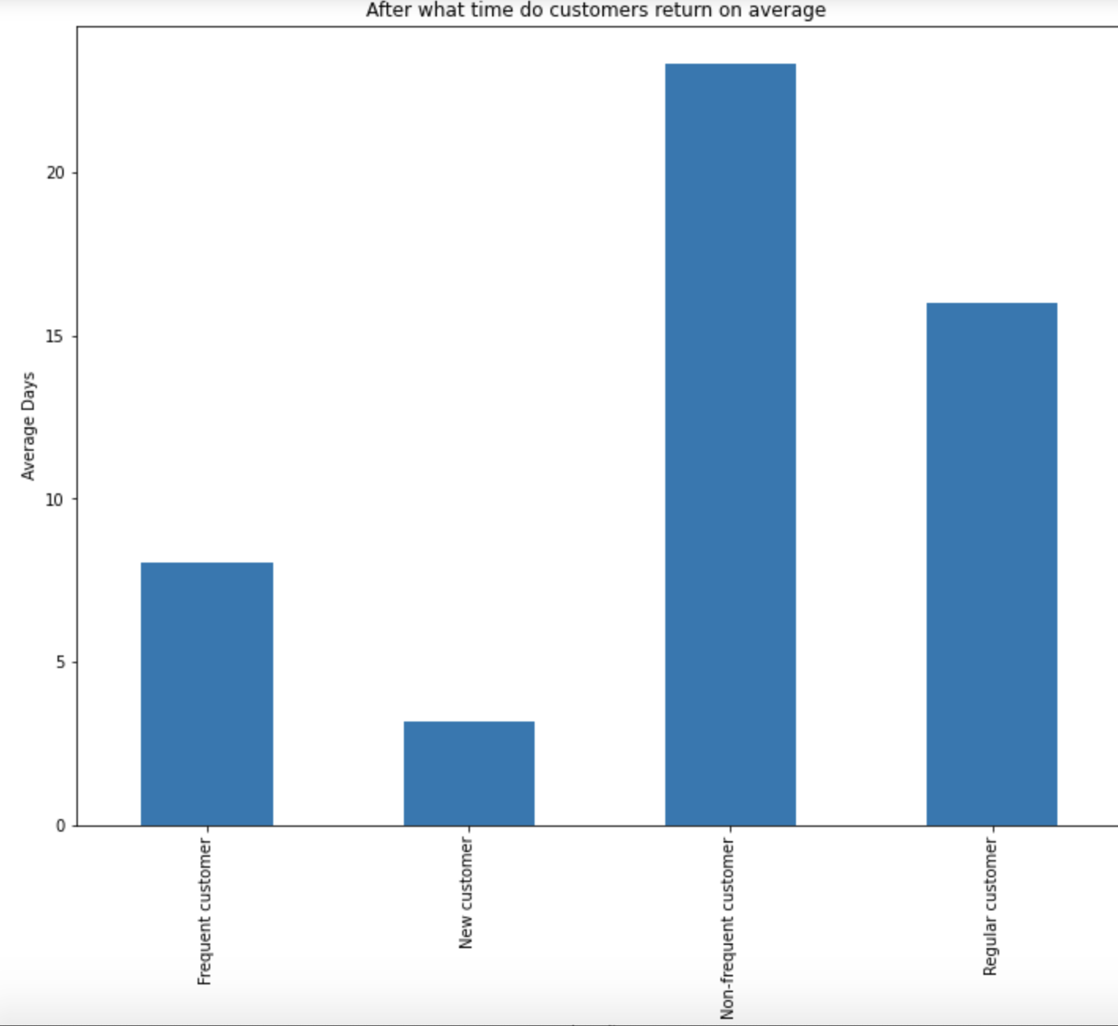

In this section we look at customer loyalty and their spending habbits ( average order, price and age)
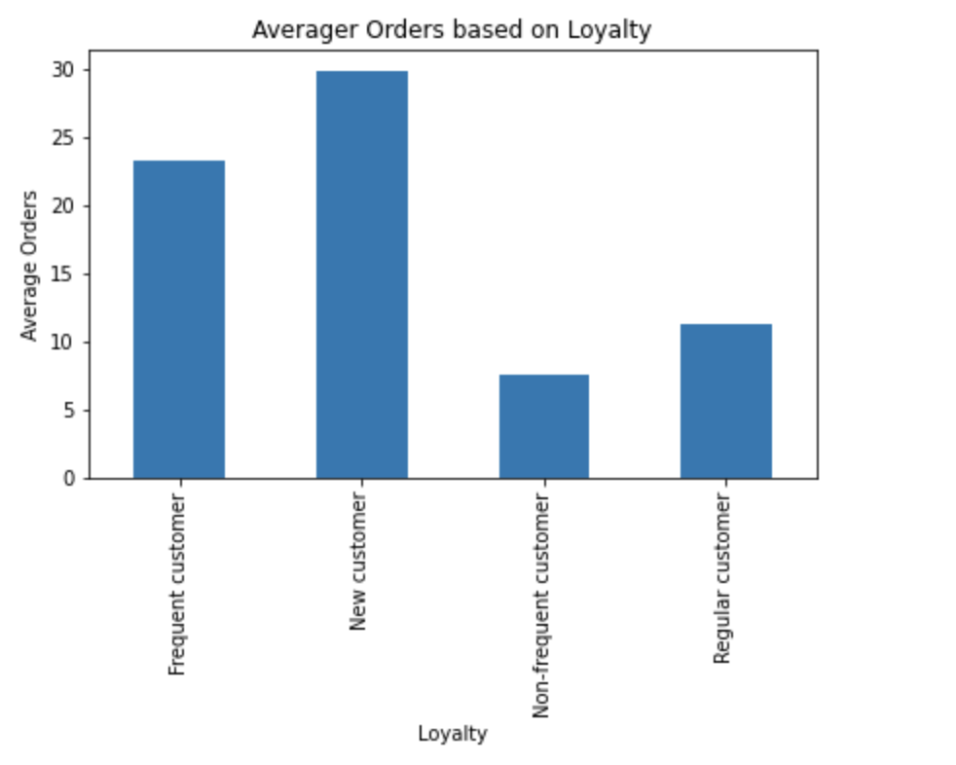
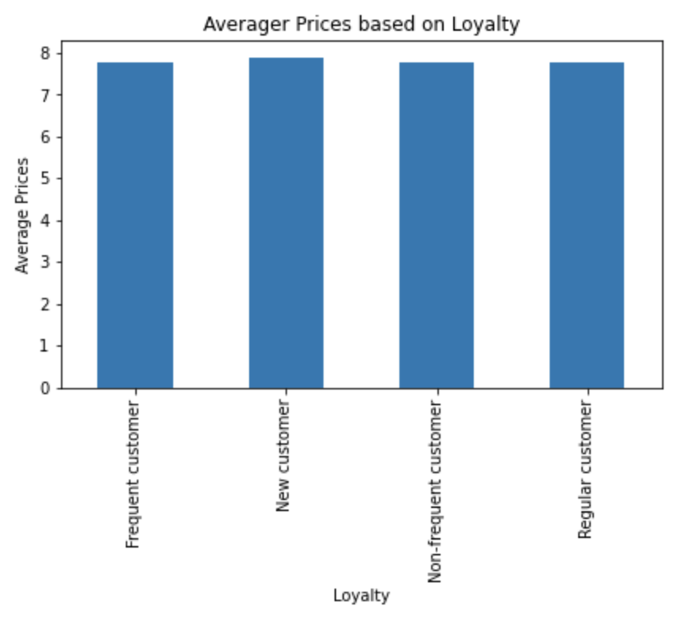
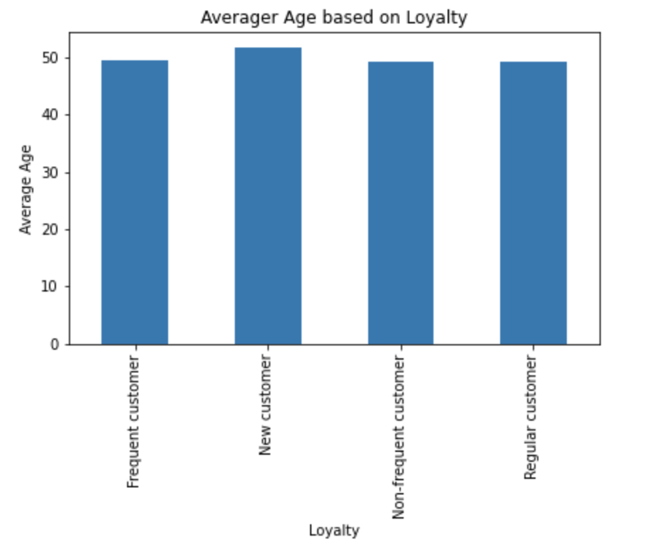

Now we compare regional differences. We can see in the pie the distribution in regions, the charts below incomperade diffrent variable like loyalty sepnding habbits and also family constilation for each region

Last we take a closer look into family consipations and their spending habbits.

7. Recommendations
 |  |  |  |  |  |  |  |  | Title page

Recommendations
Recommendations

In this tab you should include any recommendations you would made to Instcart in terms of their marketing strategy based on the questions posed in the brief. Every key question has been covered in the Tasks of the Exercises - here you need to add an item - a visualisation or table/crosstable that is showing the answer in the data, acompanied by a comment from you. Please, list the questions below and add the answer underneath.
In this tab you should include any recommendations you would made to Instcart in terms of their marketing strategy based on the questions posed in the brief. Every key question has been covered in the Tasks of the Exercises - here you need to add an item - a visualisation or table/crosstable that is showing the answer in the data, acompanied by a comment from you. Please, list the questions below and add the answer underneath.

Key Question 1:
What are the busiest days of the week and hours of the day?

## Answer:
- Saturday and Sunday are the busiest days of the week, when it comes to the total amount of orders per day. Most of the people order during the weekends, that means we need more staff during the weekends to finish the orders.
- Around 8am till 4pm most orders are being made. At around 10 am we hit the peak, then a slight decreas till 12 and around lunch (1pm) is increase slightly too.

## Key Question 2
Are there particular times of the day people spend the most money?

## Answer:
- We can see a nearly the same graph which is slightly move to the left hand side. For example we can see in the revenue that at 9 am the most revenue is generated compared to 10 am where most orders are being made.

## Question 3
Is there a way to use simpler price range groupings to help marketing and sales with their efforts?

## Anser
We can see that most of our inventar (67%) is considered mid-range products. We should try to find better price ranges in order to have more accurate picture. One method we could make us of is using the mean with the standard deviation. Hereby we use the mean as center and add/subtract the std.

Possible new Price Ranges:
Low-Range = 0 - 4
Mid Range = 5 - 12
High Range = 12 and above

With the new prices ranges the low and mid range price when looking at the mean are still very far apart, but what we get with this methode is a normal distribution within the prices ranges. where around the mean are 60 % and the upper and low third are both aroung 20 %.

## Question 4
Are there certain types of products more popular than others? Which departments have the highest frequency of product orders?

Top 15 Prodcuts measured by number_order
Banana | 7070563 |  |  |  |  |  | produce | 6969826
Bag of Organic Bananas | 6547502 |  |  |  |  |  | dairy eggs | 3968727
Organic Strawberries | 3991856 |  |  |  |  |  | snacks | 2106360
Organic Baby Spinach | 3662914 |  |  |  |  |  | beverages(non alc.) | 1958194
Organic Hass Avocado | 3542051 |  |  |  |  |  | frozen | 1576402
Organic Raspberries | 2501227 |  |  |  |  |  | pantry | 1331006
Organic Avocado | 2387737 |  |  |  |  |  | bakery | 849210
Large Lemon | 2377916 |  |  |  |  |  | canned goods | 760983
Organic Whole Milk | 2344502 |  |  |  |  |  | deli | 757535
Strawberries | 2190250 |  |  |  |  |  | dry goods pasta | 612328
Limes | 2088283 |  |  |  |  |  | household | 516593
Organic Yellow Onion | 1876171 |  |  |  |  |  | meat seafool | 507822
Organic Zucchini | 1802952 |  |  |  |  |  | breakfast | 505818
Organic Garlic | 1710231 |  |  |  |  |  | babies | 322694
Apple Honeycrisp Organic | 1629920 |  |  |  |  |  | personal care | 316112
 |  |  |  |  |  |  | international | 190245
 |  |  |  |  |  |  | alcohol | 100416
 |  |  |  |  |  |  | pets | 69208
 |  |  |  |  |  |  | missing | 54153
 |  |  |  |  |  |  | bulk | 26496
 |  |  |  |  |  |  | other | 25935
## Answer
The best selling product are organic fruits which count as produce. As we can see in the second chart this with space the most common department with nearly twice in sales then dairy eggs.

Key Questions
● The sales team needs to know what the busiest days of the week and hours of the day are (i.e., the days and times with the most orders) in order to schedule ads at times when there are fewer orders.
● They also want to know whether there are particular times of the day when people spend the most money, as this might inform the type of products they advertise at these times.
● Instacart has a lot of products with different price tags. Marketing and sales want to use
simpler price range groupings to help direct their efforts.
● Are there certain types of products that are more popular than others? The marketing
and sales teams want to know which departments have the highest frequency of product
orders.
● The marketing and sales teams are particularly interested in the different types of
customers in their system and how their ordering behaviors differ. For example:
● What’s the distribution among users in regards to their brand loyalty (i.e., how
often do they return to Instacart)?
● Are there differences in ordering habits based on a customer’s loyalty status?
● Are there differences in ordering habits based on a customer’s region?
● Is there a connection between age and family status in terms of ordering habits?

### Sub-Question a:
What's the distribution among users in regard to their brand loyalty (i.e., how often do they return to Instacart?)
 |  |  |  |  |  |  |  | Number of Orders based on Loyalty

 |  |  |  |  |  |  |  | Customer Loyalty | mean | max | min | sum | count
 |  |  |  |  |  |  |  | freq_customer
 |  |  |  |  |  |  |  | Frequent customer | 23 | 70 | 1 | 416429058 | 17917219
 |  |  |  |  |  |  |  | New customer | 30 | 70 | 1 | 614681 | 20543
 |  |  |  |  |  |  |  | Non-frequent customer | 7 | 25 | 1 | 8325359 | 1099775
 |  |  |  |  |  |  |  | Regular customer | 11 | 45 | 1 | 50690111 | 4488526

 |  |  |  |  |  |  |  | Days since prior Order
 |  |  |  |  |  |  |  |  | mean | max | min
 |  |  |  |  |  |  |  | freq_customer
 |  |  |  |  |  |  |  | Frequent customer | 8 | 30.0 | 0.0
 |  |  |  |  |  |  |  | New customer | 3 | 30.0 | 0.0
 |  |  |  |  |  |  |  | Non-frequent customer | 23 | 30.0 | 0.0
 |  |  |  |  |  |  |  | Regular customer | 16 | 30.0 | 0.0

## Answer:
Nearly 80 % are frequent customers which return after 8 days since prior order. Intersting to see is that new customer return after 3 days of prior order, though they only make less then 1% of our customers.

### Sub-Question b
b. Are there differences in ordering habits based on a customer’s loyalty status?

## Answer:
- Investigating further differences we can see no significant diffrences in averager prices or age.
- A significant differences in to see in number of orders and prior orders (described above). Hereby order the frequent customer on average 23 products, the most order are made by new customers, but as mentioned before they only make up for a small amount of customers.

## Sub-question C
c. Are there differences in ordering habits based on a customer’s region?

 |  |  | Number of Order |  |  | Prices |  |  | Revenue
 |  | Region | mean | min | max | mean | min | max | mean | min | max | count
 |  | District of Columbia | 20 | 1 | 70 | 8 | 1.0 | 25.0 | 156 | 1.0 | 1700.0 | 443767
 |  | Midwest | 20 | 1 | 70 | 8 | 1.0 | 25.0 | 156 | 1.0 | 1750.0 | 5505265
 |  | Northeast | 20 | 1 | 70 | 8 | 1.0 | 25.0 | 158 | 1.0 | 1750.0 | 4161150
 |  | South | 20 | 1 | 70 | 8 | 1.0 | 25.0 | 157 | 1.0 | 1750.0 | 7382698
 |  | West | 20 | 1 | 70 | 8 | 1.0 | 25.0 | 159 | 1.0 | 1750.0 | 6033183

### Answer to the stats analysis:
Looking at the raw stats (price, order and revenue) we cant see a regional difference

## Further Analysis to Sub-Question c

Looking further into regional diffrences, we can see between the regions same patterns. This leads to the conculsion that there is no significant regional diffrences when ist come to order habbits and prices.

## Sub-Qeustion: d
d. Is there a connection between age and family status in terms of ordering habits?
 |  |  |  |  |  |  |  |  |  |  | Old Price Range |  |  | New Price Range

## Answer:
- Comparing these two chart with diffrent condition based on the price we can see that families are mostly buying mid range prodcuts (around the average price).
- A clear difference is when looking at the other types where in the second chart theire shopping baskets contain all 3 price ranges quite balanced.

## Sub-Qeustion: e
e. What different classifications does the demographic information suggest? Age? Income? Certain types of goods? Family status?"

## Answer:
- With growing age we can see an increas in income
- Families are mostly in the middle income class
- We cant see a significant differents in what days of the week people order based on their family status

